1. Title Page
Basket Analysis

Project Name: Instacart Basket Analysis
Date: 16/08/2025
Analyst Name: Alexandru Cojocari

Contents:
Population Flow
Consistency checks
Wrangling steps
Column derivations
Visualizations
Recommendations

2. Population Flow
Title page

Population flow

Exclusion flag
Condition: max_order < 5
Obervations to be removed: 1,440,295
Final total count of order_products_all: 30,964,564

Orders_products_combined
Orders_products_merged
Orders_products_all

Total: 32,434,489
Total: 32,404,859
Total: 32,404,859

1.) The grey boxes in the first row of the population flow represent the original data sets as they were when you downloaded them. In the Total fields you need to add the count of the rows when you imported the data set into Jupyter.
2.) The second row of boxes (coloured) represents the data sets after you manipulated them, e.g., removed missing values and duplicates. In the Total fields you need to add the count of the rows after conducting these operations. This offers a visual oveview of how the data flows throughout the data consistency checks.
3.) The third row, where also the arrows are coloured, represents the merges you performed between the datasets. In the Total fields you need to add the count of the rows in the merged datasets, so that you end up with the final dataset (in the red box). Keep in mind the final dataset should be without exclusions (based on the exclusion flag).

3. Consistency checks
 |  |  |  | Title page
Consistency checks

Dataset | Missing values | Missing values treatment | Duplicates
orders | 0 | N/A | 0
products | 16 in column 'product_name' | Excluded | 5
orders_products_prior | 0 | N/A | 0
customers | 11259 in column 'first_name' | Column deleted for privacy protection | 0

4. Wrangling steps
 |  |  |  | Title page
Wrangling steps

Columns dropped | Columns renamed | Columns' type changed | Comment/Reason
customer['first_name'] | customer['First Name' : 'first_name'] | orders['order_id'] : int32
customer['last_name'] | customer['Surnam' : 'last_name'] | orders["user_id'] : int32
 | customer['Gender' : 'gender'] | orders['order_number'] : int8
 | customer['STATE' : 'state'] | orders['dorder_dow'] : int8
 | customer['Age' : 'age'] | orders['order_hour_of_day'] : int8
 | customer['n_dependants' : 'n_dependents'] | orders['days_since_prior_order'] : float16
 |  | orders_products_prior['product_id'] : int32
 |  | orders_products_prior['reordered'] : int8
 |  | orders_products_prior['add_to_cart_order'] : int32
 |  | orders_products_prior['order_id'] : int32
 |  | customers['user_id'] : int32
 |  | customers['age'] : int8
 |  | customers['n_dependents'] : int8
 |  | customers['income'] : int32

5. Column derivations
 |  |  |  | Title page

Column derivations and aggregations

This tab should also contain frequency tables summarizing the distribution of all derived categorical (flag/label) variables. Continuous variables should be excluded from this section; only binary and categorical indicators need to be reported
Dataset | New column | Column/s it was derived from | Conditions
orders_products_all | price_range' | prices' | Products are segmented by price: >15 = High-range product; 5–15 = Mid-range product; <5 = Low-range product.
orders_products_merge | 'busiest_days’ | 'order_dow’ | Orders categorized by weekday: Saturday/Sunday → Busiest days; Monday/Thursday/Friday → Regularly busy; Tuesday/Wednesday → Least busy days.
orders_products_merge | 'busiest_period_of_day’ | 'order_hour_of_day’ | If order placed in six busiest hours, then flagged ‘Most orders’. If order placed in six least busy hours, then flagged ‘Fewest orders’. Else flagged ‘Average orders’.
orders | 'max_order’ | 'order_number’ | For each user, return the maximum order_number value. This corresponds to the latest order placed by that customer, representing their highest sequential purchase count.
orders | 'loyalty_flag’ | 'max_order’ | Customers are segmented by order frequency: if max_order > 43 (top quartile) → Loyal customer; if max_order ≤ 13 (bottom quartile) → New customer; otherwise → Regular customer.
orders_products_all | 'avg_spend_flag’ | 'prices’ | For each user_id, compute average prices. If < 10 → Low Spender; if ≥ 10 → High Spender.
orders | 'order_frequency_flag’ | 'days_since_prior_order’ | For each user_id, calculate the median of days_since_prior_order, representing the user’s typical reorder interval.
customers | 'region’ | 'state’ | Assign each state to its corresponding HHS Region (U.S. Health and Human Services regional classification).
customers | 'age bracket’ | 'age’ | Categorize users into: 18–25 years, 26–40 years, 41–60 years, 61+ years.
customers | 'has_dependents’ | 'n_dependents’ | Boolean flag: if n_dependents = 0 → False, else → True.
orders_products_all | 'bought_baby_stuff’ | 'user_id’, ‘department_id’ | Boolean flag: True if customer has purchased from department baby_products, else False.

6. Visualizations
Section 6 — Visualizations
Side‑by‑side layout: chart (left) and descriptive table (right) for compact professional presentation.

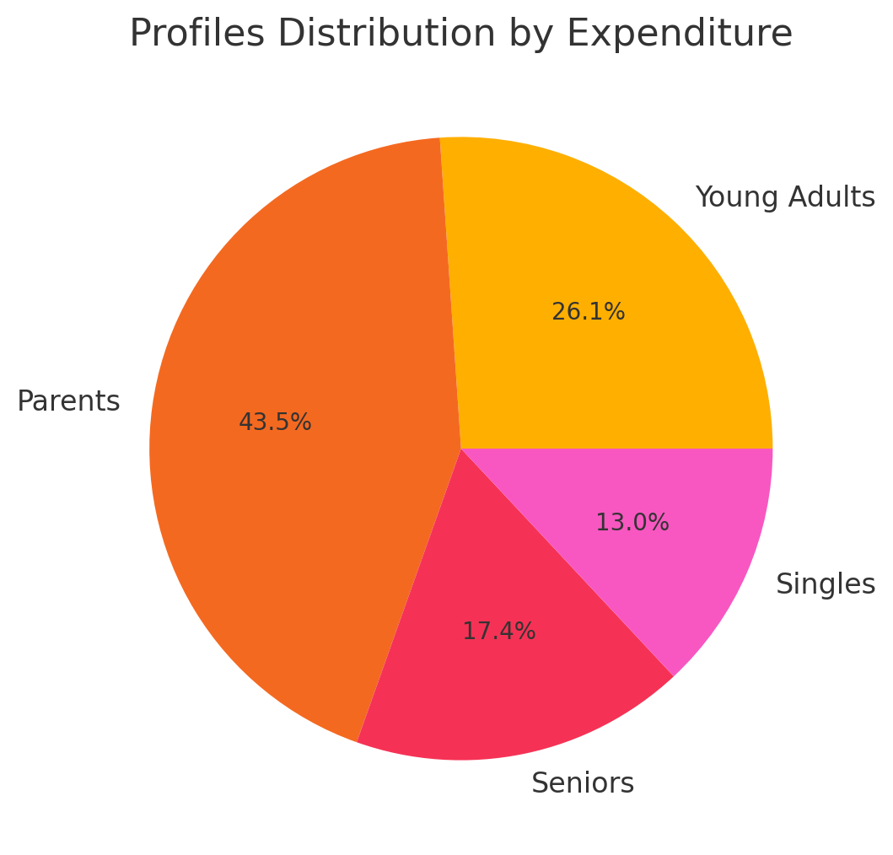
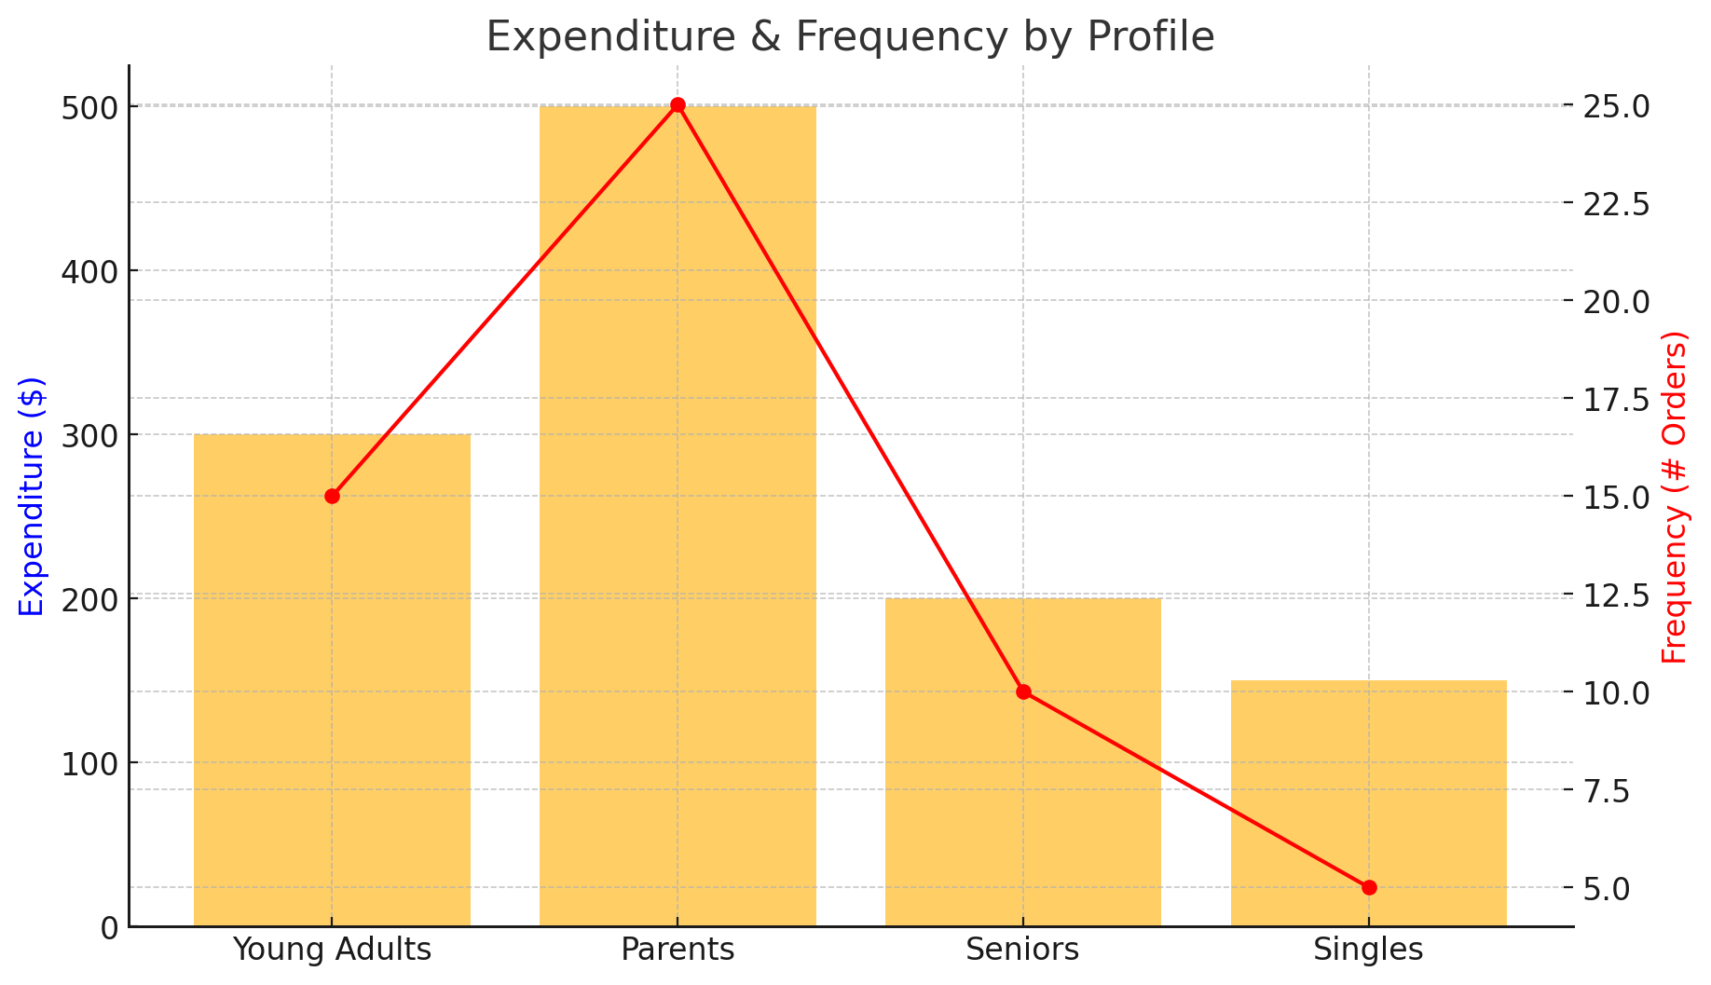
Profiles Distribution by Expenditure | Profiles Distribution by Expenditure | Expenditure & Frequency by Profile | Expenditure & Frequency by Profile
 | Description |  | Description
 | Pie chart of spending shares across customer profiles. |  | Combined view: bars show spend, line shows order frequency by profile.

 | Takeaway |  | Takeaway
 | Parents dominate total spend; Singles contribute the least. |  | Parents lead on both spend and frequency; Singles are lowest.

 | Key figures |  | Key figures
 | Parents 43.5% | Young Adults 26.1% | Seniors 17.4% | Singles 13.0% |  | Spend ($): YA 300 | Parents 500 | Seniors 200 | Singles 150 Frequency: YA ~16 | Parents ~25 | Seniors ~10 | Singles ~5

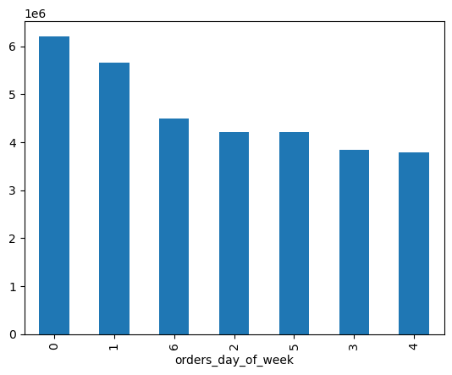
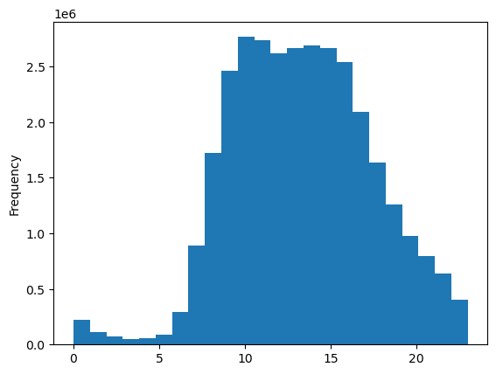
Orders by Day of Week | Orders by Day of Week | Orders by Hour (Histogram) | Orders by Hour (Histogram)
 | Description |  | Description
 | Total order volume by day (0–6). |  | Distribution of orders across hours of day.

 | Takeaway |  | Takeaway
 | Peak demand on day 0; noticeable mid‑week dip. |  | Main demand window is late morning to afternoon.

 | Key figures |  | Key figures
 | Peak: day 0 | Next: day 1 | Trough: day 4 |  | Active: 10:00–16:00 | Low: overnight

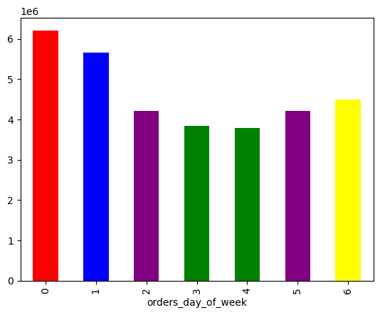
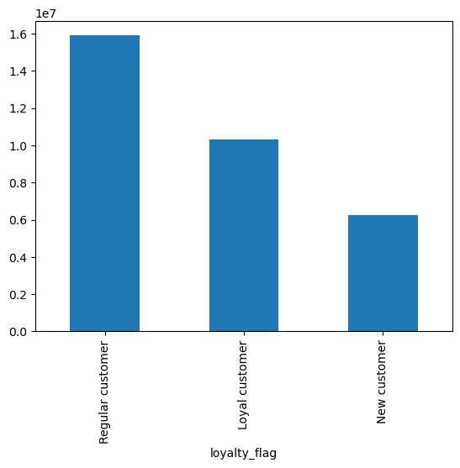
Orders by Day of Week (styled) | Orders by Day of Week (styled) | Customers by Loyalty Flag | Customers by Loyalty Flag
 | Description |  | Description
 | Alternative styling of orders by weekday. |  | Customer base split by loyalty segment.

 | Takeaway |  | Takeaway
 | Confirms weekly pattern from the main chart. |  | Regular customers are the largest cohort.

 | Key figures |  | Key figures
 | Rank: 0 > 1 > 6 > 2 ≈ 5 > 3 > 4 |  | Regular ~16M | Loyal ~10M | New ~6M

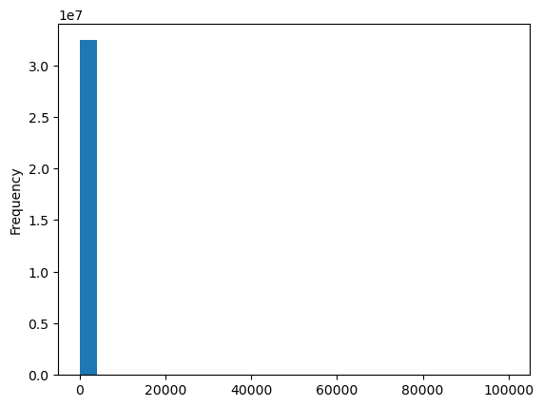
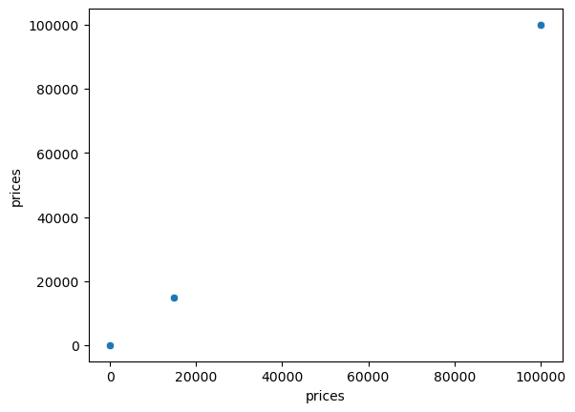
Price Distribution (Histogram) | Price Distribution (Histogram) | Price Outliers (Scatter) | Price Outliers (Scatter)
 | Description |  | Description
 | Distribution of item prices showing shape and extreme values. |  | Point plot highlighting extreme price values.

 | Takeaway |  | Takeaway
 | Right‑skew with extreme outliers; treat before modeling. |  | Confirms rare extremes; audit and cap as needed.

 | Key figures |  | Key figures
 | Outliers up to ~100,000 | Majority at low price range |  | Extreme points around ~15k and ~100k

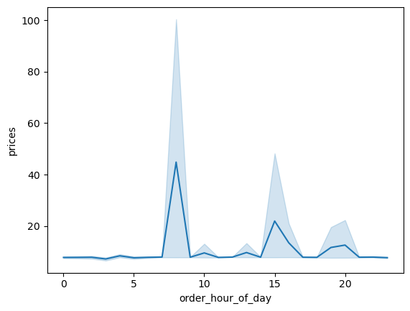
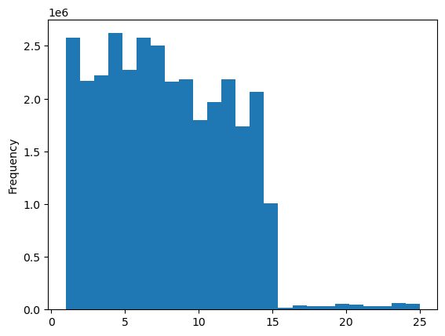
Prices vs Order Hour | Prices vs Order Hour | Order Hour Distribution (Histogram) | Order Hour Distribution (Histogram)
 | Description |  | Description
 | Average prices by hour with uncertainty band. |  | Orders by hour (coarser bins).

 | Takeaway |  | Takeaway
 | Mostly flat; isolated spikes indicate anomalies. |  | Activity concentrated 1–15; minimal after ~16.

 | Key figures |  | Key figures
 | Spikes near hours ~8, ~15–16, ~20 |  | Active hours: 1–15 | Very low: 16–24

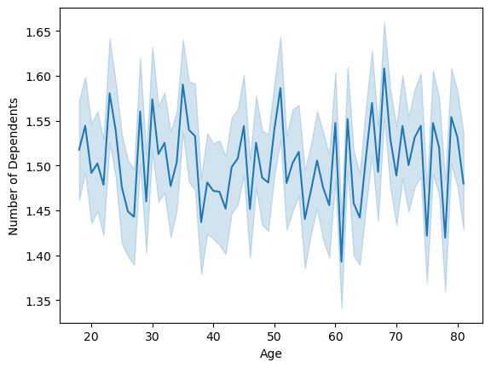

Order Hour Distribution (Fine Bins) | Order Hour Distribution (Fine Bins) | Dependents vs Age | Dependents vs Age
 | Description |  | Description
 | Orders by hour with finer binning. |  | Average number of dependents across age.

 | Takeaway |  | Takeaway
 | Reinforces the concentration in early‑to‑mid day. |  | Dependents are essentially age‑invariant.

 | Key figures |  | Key figures
 | Dense 1–15 | Minimal 16–24 |  | Mean dependents ≈ 1.5 across 18–80

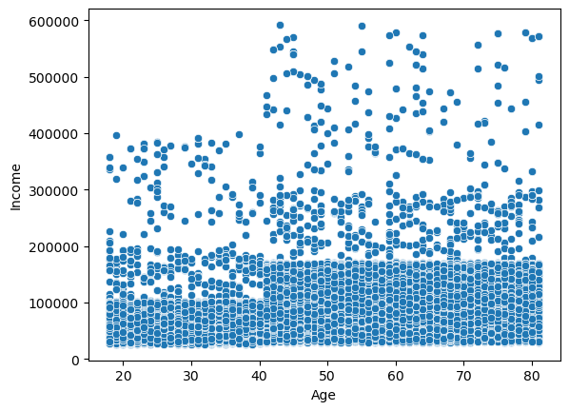
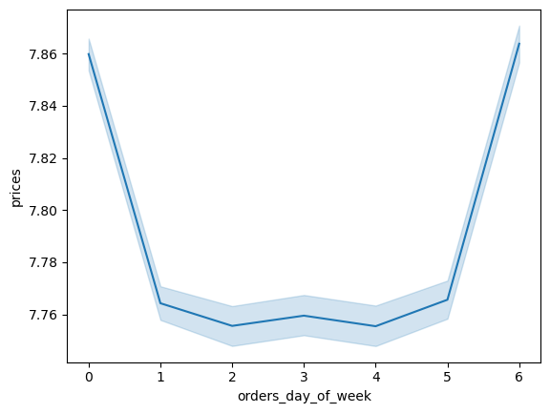
Income vs Age (Scatter) | Income vs Age (Scatter) | Average Price by Day of Week | Average Price by Day of Week
 | Description |  | Description
 | Income dispersion across age. |  | Average item price by weekday with confidence band.

 | Takeaway |  | Takeaway
 | Income variability grows with age; higher upper bound. |  | Small but consistent weekend uplift in prices.

 | Key figures |  | Key figures
 | Upper envelope to ~600k; dense 50k–200k cluster |  | Weekends ~7.86 | Mid‑week ~7.75

7. Recommendations
 |  | Title page

Recommendations

In this tab you should include any recommendations you would made to Instcart in terms of their marketing strategy based on the questions posed in the brief. Every key question has been covered in the Tasks of the Exercises - here you need to add an item - a visualisation or table/crosstable that is showing the answer in the data, acompanied by a comment from you. Please, list the questions below and add the answer underneath.

Question | Answer
When do customers order most (by day & hour)? | Concentrate promos and ad spend on peak slots; ensure inventory and fulfillment capacity match; offer off‑peak discounts to smooth demand.
Which departments drive volume and reorders? | Shift budget toward high‑volume, high‑reorder departments; use win‑back bundles and trials for low‑reorder areas.
Overall reorder rate and by department? | Use high‑reorder categories for subscription nudges and reminders; target low‑reorder ones with coupons to stimulate repeats.
First-time vs repeat order share? | If first‑time share is high, optimize onboarding; if low, expand acquisition channels and referral incentives.
Average basket size by day-of-week? | Promote large‑basket missions on big‑basket days; use cross‑sell widgets and bundles on small‑basket days.
Reorder probability vs days since prior order? | Schedule email/push reminders near the peak reorder window; test cadence by segment to avoid fatigue.
Top aisles and products by order lines? | Feature top items in homepage modules and paid search; apply dynamic pricing/placements for the long tail.
Returning vs new customers by order number? | Tailor lifecycle messaging by tenure; push subscriptions and loyalty for 5+ orders, onboarding for 1st–2nd orders.

